SPF Calculator
How to use the calculator: Simply enter your goal weight (within 20lbs), current weight and current bodyfat % and the calculator will calculate daily calorie and macronutrient needs for each type of day for you!

SPF Diet - Calorie/Macro Formulas

Current Weight | Current BF% | Goal Weight |  |  | BODYFAT % ESTIMATES
195 | 15.00% | 185 |  | Caliper's or a DEXA scan is ideal but these images are accurate enough
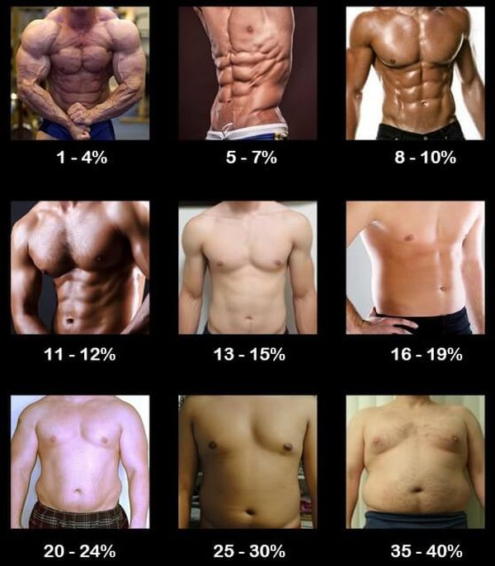

Over 25% Body Fat (Once you get below 20%, switch to a split below

Protein (g) | Carbs (g) | Fat (g) | Daily Calories
153 | 25 | 170 | 2035

FIRST 3 WEEKS (choose 1 split)

MAX Fat Loss Split

Protein (g) | Carbs (g) | Fat (g) | Daily Calories
194 | 146 | 65 | 1943

MAX Testosterone Split

Protein (g) | Carbs (g) | Fat (g) | Daily Calories
97 | 194 | 86 | 1943

Balanced Split

Protein (g) | Carbs (g) | Fat (g) | Daily Calories
146 | 170 | 76 | 1943

REFEED WEEK (done the fourth week of every month)

Protein (g) | Carbs (g) | Fat (g) | Daily Calories
130 | 356 | 72 | 2590

